Sheet1
 | Operator Controller |  |  | v0.5 (Mar 2, 2020)

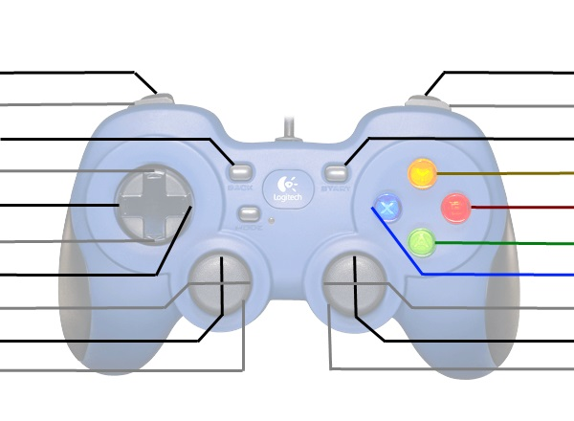
(hold) Vision Align and Shoot Close |  |  |  | Vision Align and Shoot Far (hold)
(hold )Shoot Close |  |  |  | Shoot Far (hold)
Control Panel Rotate 3x |  |  |  | Control Panel Rotate to Colour
Up-Shift |  |  |  | Control Panel Arm Fold/Unfold
Left-Shift |  |  |  | Expel (hold)
Down-Shift |  |  |  | Intake (hold)
Righ-Shift |  |  |  | *[see Shift table]
(Control Panel Rotate)
 |  |  |  | *Raise/Lower Climb
Kill Everything |  |  |  | Kill Everything

 | These are typically used for debugging or manual override
 | *Shift | Right Vertical Axis | X
 | Up | (Raise/Lower Hood) | Climb Arm Lock
 | Right | - | -
 | Down | Climb Encoders Bypassed | Climb Arm Release
 | Left | - | -

 | Driver Controller

 |  |  |  | Disable Auto-Shift (hold)
(hold) Climb Adjust Left |  |  |  | Climb Adjust Right (hold)
Vision-Align Short |  |  |  | Vision-Align Long

 |  |  |  | Turn Left/Right
Drive Forwards/Backwards
Kill Everything |  |  |  | Kill Everything

